(3) Selection_K-Beauty_NonMedi
K-Beauty_Non-Medical Selection Sheet for Schedule

 |  | Name (M or F) : | : Michael Hong |  |  | Passport No. : | : DMC 0000000000
 |  | Birth Date : | : Feb. OO, 197X(Age: 5X) |  |  | Arrival Flight Schedule (Local Time): | : Departure - Mar. 10. 2026. 03:30 (Dubai) / Arrival - Mar. 10. 2026. 16:50 (Incheon)
 |  | VIPs Contact. : | : +971-00-00-000 / : example@example.com |  |  | Departure Flight Schedule (Local Time) : | : Departure - Mar. 19. 2026. 23:40 (Incheon) / Arrival - Mar. 20. 2026. 05:05 (Dubai)

Premium Package Category |  |  |  |  |  | Check (ex.) | Remarks | Customer Requirement
Package |  |  | Package detail | Duration (activity + transfer) | Estimated Price (USD)
K-Beauty (Non-Medical) | Body Therapy | Silver | Purpose * Daily fatigue relief and muscle relaxation * Light recovery without strong stimulation or devices * Entry-level body therapy for first-time spa users Core Inclusions * Manual massage–based body therapy * Medium or light pressure * Partial or basic full-body coverage * No advanced devices or functional slimming technology | 60-120min | 412.53 - 575.96
 |  | Gold | Purpose * Deeper muscle recovery and circulation improvement * Body balance, lymphatic flow, and line refinement * Noticeable physical effect beyond relaxation Core Inclusions * Full-body treatment * Medium to deep pressure * Thermal elements, lymphatic techniques, or spa-specific technology * Optional detox or body line–focused care | 90-150min | 539.47 - 1,078.93
 |  | Diamond | Purpose * Targeted body transformation or premium sensory experience * Slimming, deep detox, or rare luxury ingredients * Destination-level body therapy Core Inclusions * Full-body ritual or intensive device-based care * Advanced technology (ultrasound, pressure & temperature control) * Long-duration or highly specialized programs | 120-240min | 674.33 - 2,380 | ✔

Premium Package Category |  |  |  |  |  | Check (ex.) | Remarks | Customer Requirement
Package |  |  | Package detail | Duration (activity + transfer) | Estimated Price (USD)
K-Beauty (Non-Medical) | Signature treatments | Silver | Purpose Recovery-focused signature experience Body therapy + simple facial combination Core Inclusions Warm stone or calming body therapy Short ritual structure Stress & jet lag recovery focus | 120min | 840.93
 |  | Gold | Purpose * Emotional relaxation and shared experience * Sensory immersion rather than medical effect Core Inclusions * Multi-step ritual * Body scrub + body therapy * Couple or private suite experience | 150min | 840.93
 |  | Diamond | Purpose * Brand-defining spa journey * Cultural storytelling + full ritual experience Core Inclusions * Scrub + detox + body therapy + facial * Long duration * Most comprehensive Signature treatment | 150min | 840.93 | ✔
 | Facial collection | Silver | Purpose * Skin recovery and rejuvenation * Practical, no-downtime facial care Core Inclusions * Device-based facial technology * Cleansing, hydration, circulation improvement | 90min | 650.53
 |  | Gold | Purpose * Personalized skin improvement * Texture, contour, and radiance enhancement Core Inclusions * Skin analysis * Bespoke treatment protocol * Reshaping and hydration care | 90min | 714
 |  | Diamond | Purpose * Instant visible results with premium cosmeceutical technology * Flagship facial experience Core Inclusions * Exclusive treatment method (Second Skin) * High-concentration active ingredients * No-downtime, high-impact result | 75min | 888.53 | ✔

Premium Package Category |  |  |  |  |  | Check (ex.) | Remarks | Customer Requirement
Package |  |  | Package detail | Duration (activity + transfer) | Estimated Price (USD)
K-Beauty (Non-Medical) | Henna | Henna at Seoul | 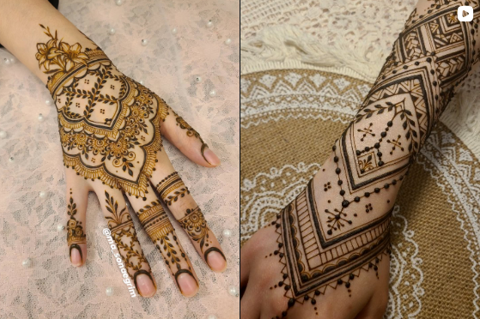 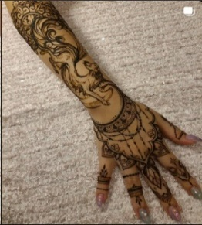 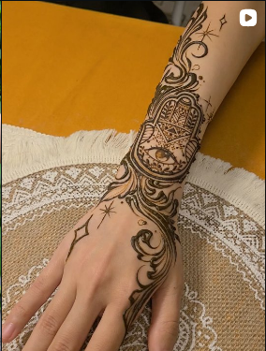 Traditional Indian henna art created using natural henna dye. The design remains on the skin temporarily and fades naturally over time. #Henna #Art #Temporary #Seoul
 |  | Henna at Busan |  Traditional Indian henna art created using natural henna dye. The design remains on the skin temporarily and fades naturally over time. #Henna #Art #Temporary #Busan |  |  |  | For locations outside Seoul, Incheon, and Gyeonggi-do, travel time may be longer, so we recommend combining this experience with other activities in Busan or Ulsan.
 | Scalp treatment |  | A premium scalp care program at Eco Jardin, providing deep cleansing and revitalization of the scalp through delicate care by experienced professionals. The program includes consultation, diagnosis, scalp treatment, and styling. #Premium Scalp Care #Consultation & Diagnosis #Treatment #Styling #Seoul |  | 396.67 | ✔

Travel schedule_cover
Premium Experience

10-DAY VIP
K-Beauty & Medical Tour

K-Medical · K-Beauty · K-Wellness

 |  | DXB | ICN |  |  | DXB

March 10-19, 2026
Secoul & Incheon, South Korea

10-DAY VIP Tour Overview

K-Medical · K-Beauty · K-Wellness

Day 1
Day 2
 | Arrival & Welcome |  |  | Precision Health Assessment — Part I
 | ● | Incheon arrival |  | ● | Comprehensive health screening
 | ● | Oackwood Premier Incheon check-in |  | ● | VIP hospital stay

Day 3
Day 4
 | Precision Health Assessment — Part II |  |  | Precision Health Assessment — Part III
 | ● | Health screening & Colonoscopy |  | ● | PET-CT imaging
 |  |  |  | ● | Signiel Seoul check-in

Day 5
Day 6
 | Style Consulting & Shopping Experience |  |  | Comprehensive Skin Rejuvenation
 | ● | Hair, Makeup, fashion styling |  | ● | Personalized aesthetic program
 | ● | Stylist-accompanied shopping tour
 | ● | glasses, cosmetic shopping

Day 7
Day 8
 | Leisure & Recovery |  |  | Heritage & History
 | ● | Signature spa therapy |  | ● | DMZ & NLL guided tour
 | ● | Thema Park experience

Day 7
Day 8
 | Stem Cell Lifting Treatment |  |  | Final Wellness & Farewell
 | ● | Advanced Stem Cell Treatment |  | ● | Luxury spa
 |  |  |  | ● | Departure from Incheon

Day1(Mar.10)_VIP
Day 1. March 10 Arrival & Welcome Incheon International Airport -> Oakwood Premier Incheon

~~
 | Afternoon
 | 12:00 - 12:30 | Arrival & Immigration Clearance(Incheon International Airport)
 | 12:30 - 12:45 | Luggage Assistance & VIP vehicle(Incheon International Airport)

~~
 | Evening
 | 18:00 - 18:15 | Maghrib Pray(In-Vehicle)
 | 18:15 - 18:30 | Incheon International Airport -> Oakwook Premier Incheon
 |  | Hotel Check-in (Oakwood Premier Incheon)
 | 19:30 - 19:45 | Isha Pray(In-Vehicle)
 | 20:00 - 22:00 | Dinner (Hotel Restaurant)
 | 22:30 - | Evening rest

Day2(Mar.11)_VIP
Day 2. March 11 Precision Health Assessment — Part I Hospital VIP Medical Center ※ Examination schedules and prayer times will be arranged flexibly
~~
 | Morning - Afternoon
 | 06:00 - 06:15 | Fajr Pray(Hotel)
 | 06:15 - 08:00 | Rest before Hospital Visit
 | 08:00 - 09:00 | Oakwood Premier Incheon -> Gil Medical Center
 | 09:00 - 18:00 | Health Screening (Gil Medical Center)
 |  | Dhuhr Pray / Asr Pray (Gil Medical Center)
~~
 |  | Dinner
 |  | VIP Ward Assignment & Room Preparation (Gil Medical Center – VIP Ward)

 | Evening
 | 18:00 - 18:15 | Maghrib Pray(In-Vehicle)
 | 18:15 - 19:30 | Dinner (Gil Medical Center – VIP Ward)
 | 19:30 - 19:45 | Isha Pray(In-Vehicle)
 | 19:45 - | Evening rest

Day3(Mar.12)_VIP
Day 3. March 12 Precision Health Assessment — Part II Hospital VIP Medical Center ※ Examination schedules and prayer times will be arranged flexibly
~~
 | Morning - Afternoon

 | Evening

~~

Day4(Mar.13)_VIP
Day 4. March 13 Precision Health Assessment — Part III Hospital → Signiel Seoul ※ Examination schedules and prayer times will be arranged flexibly
~~
 | Morning - Afternoon

 | Evening

~~

Day5(Mar.14)_VIP
Day 5. March 14 Style Consulting & Shopping Experience Personal Styling & Curated Shopping Tour


Style Consulting
 | Morning
 | 06:00 - 06:15 | Fajr Pray(Hotel)
 | 06:15 - 08:00 | Breakfast(Hotel Restaurant)
 | 08:00 - 10:00 | Hotel -> Styling Venue
 | 10:00 - 12:00 | Personal Styling Consultation(Styling Venue) Premium image consulting (hair, makeup, fashion)

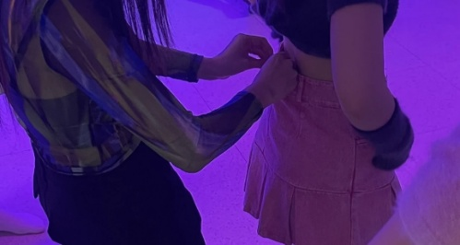
Shopping tour
 | Afternoon
 | 12:00 - 12:30 | Styling Venue -> Restaurant
 | 12:30 - 12:45 | Dhuhr Pray(In-Vehicle)
 | 12:45 - 14:00 | Lunch(Restaurant)
 | 14:00 - 14:30 | Restaurant -> Shopping Venue
 | 14:30 - 16:00 | Stylist-accompanied Shopping Tour(Shopping Venue) Outfit recommendations at selected stores
 | 16:00 - 16:15 | Asr Pray(In-Vehicle)
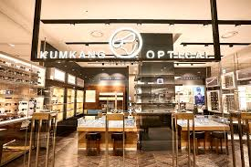
KUMKANG Optical
 | 16:15 - 16:45 | Shopping Venue -> KUMKANG Optical
 | 16:45 - 18:00 | Eye Examination & Luxury Eyewear Fitting(KUMKANG Optical) Premium optical store

 | Evening
 | 18:00 - 18:15 | Maghrib Pray(In-Vehicle)
 | 18:15 - 18:30 | KUMKANG Optical ->Olive Young
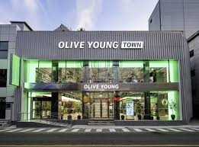
Shopping tour
 | 18:30 - 19:30 | K-Beauty Shopping Experience(Olive Young) Curated selection of cosmetics and beauty products
 | 19:30 - 19:45 | Isha Pray(In-Vehicle)
 | 19:45 - 20:00 | Olive Young ->Restaurant
 | 20:00 - 22:00 | Dinner(Restaurant)
 | 22:00 - 22:30 | Restaurant -> Hotel
 | 22:30 - | Evening rest

Day6(Mar.15)_VIP
Day 6. March 15 Comprehensive Skin Rejuvenation Premium Aesthetics Clinic in Seoul ※ Treatment schedules and prayer times will be arranged flexibly
~~
 | Morning - Afternoon

 | Evening

~~

Day7(Mar.16)_VIP
Day 7. March 16 Leisure & Recovery Signiel Spa & Lotte World
~~
 | Morning

~~
 | Afternoon

 | Evening

Day8(Mar.17)_VIP
Day 8. March 17 Heritage & History DMZ(Demilitarized Zone) & NLL(Northern Limit Line) ※ Conducted by professional tour operator with English-speaking guide ※ Prayer times arranged flexibly during tour
~~
 | Morning

~~
 | Afternoon

 | Evening

Day9(Mar.18)_VIP
Day 9. March 18 Stem Cell Lifting Treatment Premium Aesthetics Clinic in Seoul ※ Treatment schedules and prayer times will be arranged flexibly
~~
 | Morning

~~
 | Afternoon

 | Evening

Day10(Mar.19)_VIP
Day 10. March 19 Final Wellness & Farewell Spa -> Incheon International Airport
~~
 | Morning

~~
 | Afternoon

 | Evening

10. Insurance
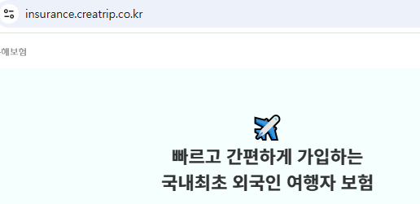
Insurance for Muslim VIP K-BMW Premium Tour

Premium Package |  |  |  |  |  |  |  |  |  |  | Information
Package | Partners | Service | Medical Coverage (USD) | Repatration | High-Value Items Coverage | Travel Delay / Cancellation | 24/7 Arabic Support | Concierge Service | Recommended for Muslim VIP | Notes
INSURANCE | Allianz Global Assistance | OneTrip Prime VIP | 500000 | Included |  | Included | Yes | Yes | Highly Recommended | Strong global medical network | https://buly.kr/6Mt081U
 | AXA Assistance | Platinum Premium | 300000 | Included |  | Included | Yes | Optional | Recommended | Flexible upgrade options
 | IMG Global | Platinum Traveler | 500,000+ | Included |  | Optional | English Only | Yes | Medical-Focused VIP | Excellent evacuation coverage

